Sheet1
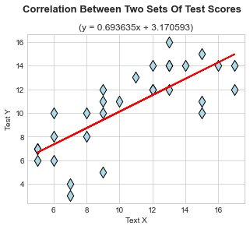
Student | Test X | Test Y | Statistics | Test X | Test Y
Student01 | 9 | 12 | mean | 10.566666667 | 10.5
Student02 | 12 | 12 | mode | [9, 13] | [14]
Student03 | 5 | 7 | 25% | 7.25 | 8
Student04 | 6 | 6 | 50% | 10.5 | 11
Student05 | 12 | 14 | 75% | 13 | 13.75
Student06 | 16 | 14 | high score | 17 | 16
Student07 | 6 | 10 | low score | 5 | 3
Student08 | 13 | 14 | range | 13 | 14
Student09 | 14 | 14 | std(pop) | 3.729909144 | 3.4132096332
Student10 | 17 | 14 | std(sample) | 3.7936728935 | 3.4715593237
Student11 | 6 | 8 | var(pop) | 13.912222222 | 0.1165
Student12 | 9 | 10 | var(sample) | 14.391954023 | 0.12051724138
Student13 | 13 | 16 | Q | 2.875 | 2.875
Student14 | 8 | 8 | n | 30 | 30
Student15 | 13 | 12 | skewness | 0.079860681853 | -0.54308344967
Student16 | 17 | 12 | SES | 0.42689239595 | 0.42689239595
Student17 | 11 | 13 | skew/SES | 0.18707450077 | -1.2721787851
Student18 | 12 | 12 | kurtosis | -1.2139101466 | -0.60574676718
Student19 | 7 | 3 | SEK | 0.83274561836 | 0.83274561836
Student20 | 9 | 5 | kurt/SEK | -1.4577202448 | -0.7274091317
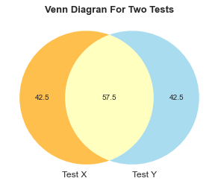
Student21 | 7 | 4
Student22 | 8 | 10
Student23 | 15 | 10 | Pearson | Test X | Test Y
Student24 | 15 | 15 | Test X | 1 | 0.7579945754
Student25 | 5 | 7 | Test Y | 0.7579945754 | 1
Student26 | 10 | 11
Student27 | 5 | 6 | Spearman | Test X | Test Y
Student28 | 13 | 14 | Test X | 1 | 0.77509263794
Student29 | 9 | 11 | Test Y | 0.77509263794 | 1
Student30 | 15 | 11
 |  |  | r^2
 |  |  | 0.57455577634

